Sheet1
 |  | Document No. | Issue No. | Issue Date |  | Review and Replace Date |  | Authorised By
 |  | GFF411MC | 1 | 18.10.2023 |  | New Document |  | Magda Shah
 |  | Document Title | 8 Mexican Inspired Corn Fritters 240g
Document amendments reason for change |  | New Document |  |  | Page 1 of 1 | Previous Issue Date | New Document | Uncontrolled copy unless signed original

CVCFRC-R1TEB | BOOTHS - XMAS |  | 8 Mexican Inspired Corn Fritters 240g
STEP 1 |  |  |  |  | STEP 2
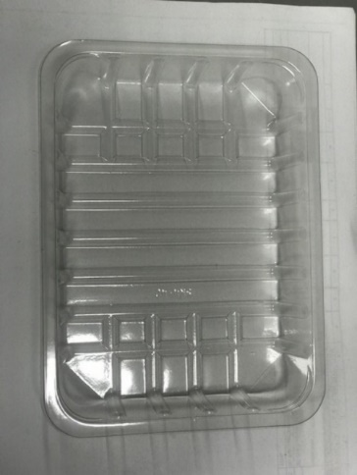 |  |  |  |  | 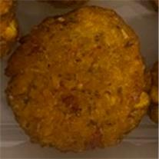 

Tray: SK4 Plain Clear (PKESS001-07) |  |  |  |  | 8 x Corn Fritters (GFF459R) 30g
Film: K-peel 7G+25A/f-275mm (PKKMP001-03)
STEP 3 |  |  |  |  | STEP 4
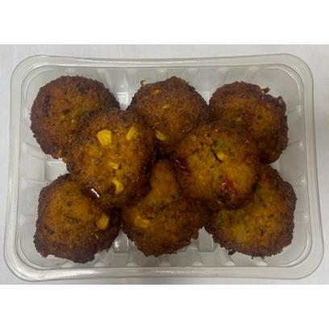

8 Corn Fritters (GFF459R) 240g |  |  |  |  | TOTAL WEIGHT: 240G

ALLERGY ALERT: No Allergens

